Tabelle1

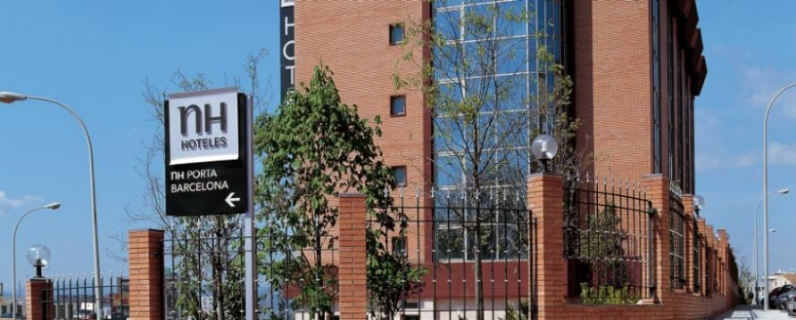
 |  |  |  |  |  | EFRA ANNUAL GENERAL MEETING
 |  |  |  |  |  | Hotel Hesperia Sant Just, Frederic Mompou 1
 |  |  |  |  |  | 08960 Sant Just Desvern, Barcelona Spain
 |  |  |  |  |  | 30th of October – 1st of November 2015 |  |  |  |  |  |  |  | Legend:
 |  |  |  |  |  |  |  |  |  |  |  |  |  | Seminar Package SPAGM (General/Sections)
 |  |  |  |  |  |  |  |  |  |  |  |  |  | EFRA invites you for the Welcome Buffet
 |  |  |  |  |  |  |  |  |  |  |  |  |  | Breakfast is included
 | Federation / Manufacturer:

 | Firstname and Name | Firstname and Name | Arrival |  |  | Departure |  |  | Shuttle | Thursday Night |  | Welcome Buffet | Friday Night |  | SPAGM | Buffet Dinner | Saturday Night |  | Sunday Lunch | Sunday Night
 | Single Person | used doubled with | Date | Flightnumber | Time | Date | Flightnumber | Time | needed? | Single | Double |  | Single | Double |  |  | Single | Double |  | Single | Double
 | Joe Sample | Anna Sample | 2015-10-30 |  | 16:00:00 | 2015-11-01 |  | 14:00:00 | yes |  |  | 2 |  | 1 | 2 | 2 |  | 1 | 2
1
2
3
4
5
6
7
8
9
10
 | Numbers of Totals: |  |  |  |  |  |  |  |  | 0 | 0 | 0 | 0 | 0 | 0 | 0 | 0 | 0 | 0 | 0 | 0
 | Price list costs: |  |  |  |  |  |  |  |  | 84.00 | 95.00 |  | 84.00 | 95.00 | 70.00 | 30.00 | 84.00 | 95.00 | 25.00 | 84.00 | 95.00
 | Price list costs paid by EFRA: |  |  |  |  |  |  |  |  |  |  | 38.00
 | Summary of costs in EUR: |  |  |  |  |  |  |  |  | 0.00 | 0.00 |  | 0.00 | 0.00 | 0.00 | 0.00 | 0.00 | 0.00 | 0.00 | 0.00 | 0.00

 | Total amount: | 0.00 | EUR |  |  | SHUTTLE PICKUP POINT - will be organised, we will keep you informed in time.

 | Deadline for booking reservation to EFRA treasurer: 23rd October 2015 |  |  |  |  |  |  |  |  |  |  | EURO IBAN: SE21 6000 0000 0000 4320 2799
 | Please send the voucher form with your complete informatioen to Jacqueline Aebi's e-mail treasurer@efra.ws |  |  |  |  |  |  |  |  |  |  | SWIFT: HANDSESS

 | Please note the deadline for advanced payment to EFRA: 30th October 2015

